Instructions
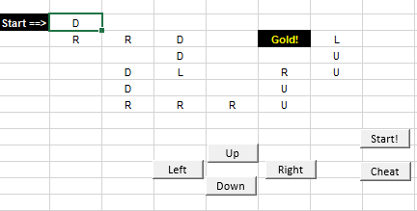
Instructions
The game begins at the starting cell B2
Create 6 Macros to:
MoveRight(): This macro moves the active cell one column to the right.
MoveLeft(): This macro moves the active cell one column to the left.
MoveUp(): This macro moves the active cell one row up.
MoveDown(): This macro moves the active cell one row down.
MoveToGoal(): This macro moves the active cell to the gold cell F3 (Gold!)
RestartMaze(): This macro moves th active cell to the starting cell B2

Recreate the following layout to use the macros

Layout

